Understanding
2 | What is the monthly distribution of trial plan start_date values for our dataset? — Use the start of the month as the group by value.

 | year | month | no_trials |  | month | no_trials
 | 2020 | 10 | 79 |  | 1 | 88
 | 2020 | 1 | 88 |  | 2 | 68 |  | There are 202 records are for 2021 in whole dataset but nothing is found for trial plan
 | 2020 | 7 | 89 |  | 3 | 94
 | 2020 | 12 | 84 |  | 4 | 81 |  | so in 2021 there are no new customer
 | 2020 | 2 | 68 |  | 5 | 88
 | 2020 | 9 | 87 |  | 6 | 79
 | 2020 | 8 | 88 |  | 7 | 89
 | 2020 | 4 | 81 |  | 8 | 88
 | 2020 | 6 | 79 |  | 9 | 87
 | 2020 | 5 | 88 |  | 10 | 79
 | 2020 | 3 | 94 |  | 11 | 75
 | 2020 | 11 | 75 |  | 12 | 84

 |  |  |  |  |  |  |  | from march to september the trend is ok nut after sepetember there is one downtrend and in 2021 there is no data of trial plans

3 | What plan start_date values occur after the year 2020 for our dataset? Show the breakdown by count of events for each plan_name.

no_events
 | plan_name | no_events
 | basic monthly | 8
 | pro monthly | 60
 | pro annual | 63
 | churn | 71

 | Alerts |  |  | Positives
 | 1. After 2020 we have no new customer |  |  | 1. Second most percentage is from pro annual
 | 2. churn percentage is the highest among all

 | Alarming
 | It has been April, 2021 and still there is no new customers

4 | What is the customer count and percentage of customers who have churned rounded to 1 decimal place?

 | not_churn | churn_percentage
 | 307 | 30.7
 |  |  |  |  | 2021 |  |  | 2020
 | Churn |  |  |  | total distinct customer | 188 |  | 1000
 | Overall percentage | 2020 | 2021 |  | churned customer | 71 | 37.765957447 | 236 | 23.6
 | 30.7 | 23.6 | 37.75

 |  | significant increase in churn rate in 2021 with compared to 2020

Q | how many customers were present in 2020 but not in 2021
 | 812

 | with cte2020 as
 | (select *
 | from
 | (select *,(extract(year from start_date)) as year_date,
 | extract(month from start_date) as month_date
 | from dbo.subscriptions
 | ) as t1
 | where year_date=2020)

 | select distinct customer_id
 | from cte2020
 | where customer_id not in

 | (select distinct customer_id
 | from
 | (select *,(extract(year from start_date)) as year_date,
 | extract(month from start_date) as month_date
 | from dbo.subscriptions
 | ) as t1
 | where year_date=2021)

Q | out of these 812 customers how many did churn in 2020?
 | 236

 | 812-236 | = | 576 | records are not found after 2020

5 | How many customers have churned straight after their initial free trial? — what percentage is this rounded to the nearest whole number?

 | churn_number | churn_percentage |  | Points
 | 92 | 9.20% |  | The churn percentage is pretty low
 |  |  |  | that indicates more than 90% customers liked the servives during free trial and took further plans
 |  |  |  | but we see no customer is there using free trial in 2021

6 | What is the number and percentage of customer plans after their initial free trial?
Plans distribution
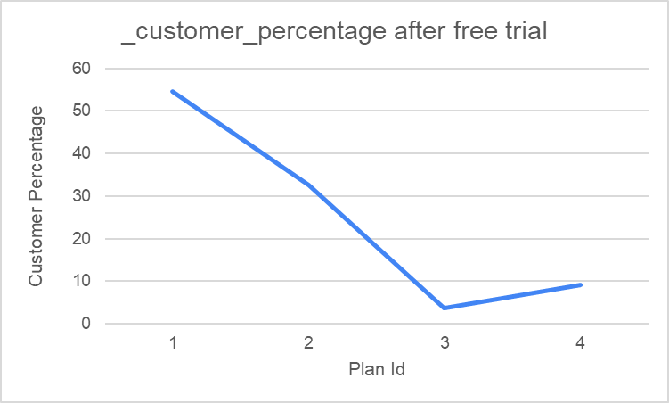

 | plan_id | non_churn_customer | non_churn_customer_percentage
 | 1 | 546 | 54.6
 | 2 | 325 | 32.5
 | 3 | 37 | 3.7
 | 4 | 92 | 9.2

 |  | Points
 |  | i) | we can see customers are more likely to convert their plan to basic monthly plan
 |  | ii) | basic monthly plan to pro monthly conversion is also pretty good
 |  | iii) | conversion to annual plan is not impressive
 |  |  | we need to figure out why customers are not moving towards the annual plan as we see significant drop in annual plan percentage

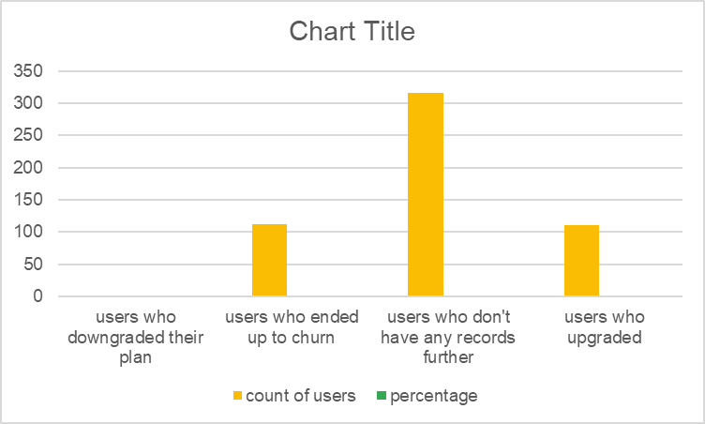
 | code for total pro_monthly users
 | WITH next_plan_cte AS ( |  |  |  |  | No of total pro monthly users
 | SELECT |  |  |  |  | 539
 | customer_id,
 | plan_id, |  |  |  |  | parametrs |  |  | count of users | percentage
 | LEAD(plan_id, 1) OVER( |  |  |  |  | users who downgraded their plan |  |  | 0 | 0
 | PARTITION BY customer_id |  |  |  |  | users who ended up to churn |  |  | 112 | 20.779220779
 | ORDER BY plan_id) as next_plan |  |  |  |  | users who don't have any records further |  |  | 316 | 58.627087199
 | FROM dbo.subscriptions) |  |  |  |  | users who upgraded |  |  | 111 | 20.593692022

 | select count(*) from next_plan_cte
 | where plan_id=2

 | users who downgraded their plan |  |  | users who upgraded |  |  |  | Points
 |  |  |  |  |  |  |  | 1) it is positive thing that no one has downgraded their plan from plan 2 to other plans
 | WITH next_plan_cte AS ( |  |  | WITH next_plan_cte AS ( |  |  |  | 2) there are so many missing records, we don't have any records for next plan
 | SELECT |  |  | SELECT |  |  |  | 3) churn percentage is significant
 | customer_id, |  |  | customer_id, |  |  |  | 4) there is certainly some drawbacks in the plan2 thats why some customers have missing records and some customers have moved towards the churn plan
 | plan_id, |  |  | plan_id,
 | LEAD(plan_id, 1) OVER( |  |  | LEAD(plan_id, 1) OVER(
 | PARTITION BY customer_id |  |  | PARTITION BY customer_id
 | ORDER BY plan_id) as next_plan |  |  | ORDER BY plan_id) as next_plan
 | FROM dbo.subscriptions) |  |  | FROM dbo.subscriptions)

 | select count(*) from next_plan_cte |  |  | select count(*) from next_plan_cte
 | where plan_id=2 and next_plan<2 |  |  | where plan_id=2 and next_plan=3

 | users who ended up to churn |  |  | users who don't have any records further

 | WITH next_plan_cte AS ( |  |  | WITH next_plan_cte AS (
 | SELECT |  |  | SELECT
 | customer_id, |  |  | customer_id,
 | plan_id, |  |  | plan_id,
 | LEAD(plan_id, 1) OVER( |  |  | LEAD(plan_id, 1) OVER(
 | PARTITION BY customer_id |  |  | PARTITION BY customer_id
 | ORDER BY plan_id) as next_plan |  |  | ORDER BY plan_id) as next_plan
 | FROM dbo.subscriptions) |  |  | FROM dbo.subscriptions)

 | select count(*) from next_plan_cte |  |  | select count(*) from next_plan_cte
 | where plan_id=2 and next_plan=4 |  |  | where plan_id=2 and next_plan is null

7 | What is the customer count and percentage breakdown of all 5 plan_name values at 2020–12–31?
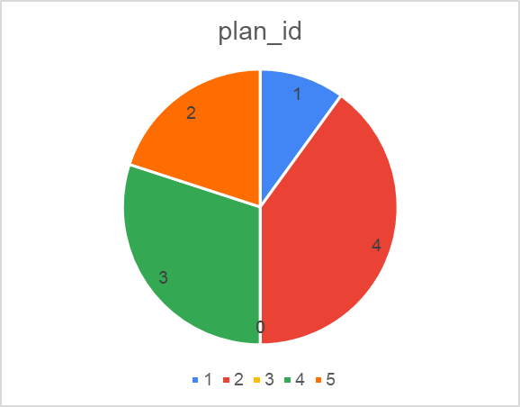
 | plan_id | count_customer | percentage
 | 1 | 224 | 22.4
 | 4 | 235 | 23.5
 | 0 | 19 | 1.9
 | 3 | 195 | 19.5
 | 2 | 326 | 32.6

 | Points
 | 1. conversion percentage is good
 | 2. the free trial percentage is very less
 | 3. churn percentage is on higher side

9 | How many days on average does it take a customer to an annual plan from the day they join Foodie-Fi?
 | 105

 | 105 days is pretty good record for the company

10 | Can you further breakdown this average value into 30-day periods? (i.e. 0–30 days, 31–60 days etc)
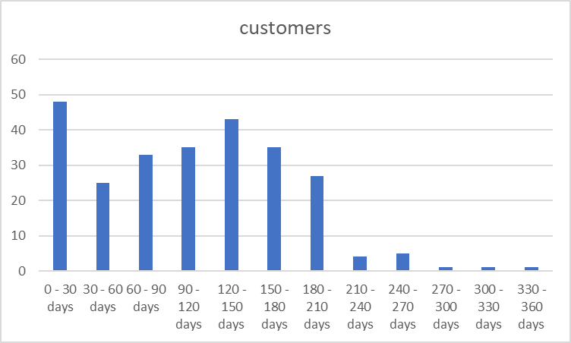
 | breakdown | customers
 | 0 - 30 days | 48 |  |  |  |  |  |  |  | 26
 | 30 - 60 days | 25
 | 60 - 90 days | 33
 | 90 - 120 days | 35
 | 120 - 150 days | 43
 | 150 - 180 days | 35
 | 180 - 210 days | 27
 | 210 - 240 days | 4
 | 240 - 270 days | 5
 | 270 - 300 days | 1
 | 300 - 330 days | 1
 | 330 - 360 days | 1

 | Points
 | 1) From the chart we can see lot number of customers are moving to annual plan within 0-30 days which is a strong positive side
 | 2) the chart is left skewed distribution so most of the customers are prone to take annual plan in short time interval

11 | How many customers downgraded from a pro-monthly to a basic monthly plan in 2020

 | none

 | Point
 | no downgrading we have seen here

